About
VoaSL Value of a Statistical Life
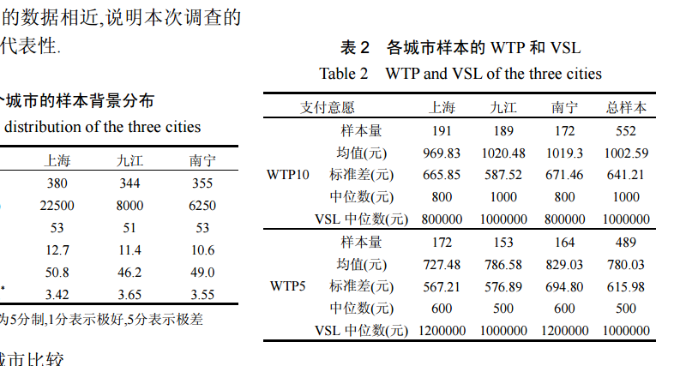
Source:

Notes： | Evaluation of statistical life value in air pollution health loss.
 | In 2010, the vos was RMB 10,000.00.

